FAI

Customer |  | PO # |  | Date Prepared | 1/23/2026 | First Article Report
Part Name | Hitch Pin | Samples | 3 | Prepared by: | Meng
Part Number | 12215-01933 | Inch or mm | Inch | Revision | 1
FAI | Type (Diameter Length Position etc.) | Nominal | + Tolerance | - Tolerance | High Limit | Low Limit | Method | Mfg. Sample 1 | Mfg. Sample 2 | Mfg. Sample 3
1 | Length | 5.625 | 0.016 | 0.016 | 5.641 | 5.609 | Caliper | 5.6270 | 5.6250 | 5.6280
2 | Length | 4.750 | 0.010 | 0.010 | 4.760 | 4.740 | Caliper | 4.7645 | 4.7645 | 4.7660
4 | Length | 1.125 | 0.016 | 0.016 | 1.141 | 1.109 | VMM | 1.0880 | 1.0810 | 1.0940
5 | Length | 0.938 | 0.016 | 0.016 | 0.953 | 0.922 | VMM | 0.9210 | 0.9170 | 0.9170
6 | Thickness | 0.151 | 0.001 | 0.001 | 0.152 | 0.150 | Caliper | 0.1500 | 0.1520 | 0.1510
7 | Radius | 0.100 | 0.010 | 0.010 | 0.110 | 0.090 | VMM | 0.0940 | 0.0910 | 0.0940
8 | Angle | 14.000 | 1.000 | 1.000 | 15.000 | 13.000 | VMM | 14.9230 | 15.4220 | 15.3010
9a | Length (Chamfer) | 0.063 | 0.016 | 0.016 | 0.078 | 0.047 | VMM | 0.0430 | 0.0610 | 0.0600
9b | Angle (Chamfer) | 45.000 | 1.000 | 1.000 | 46.000 | 44.000 | VMM | 35.2200 | 35.7490 | 37.7220
10 | Length | 0.328 | 0.016 | 0.016 | 0.344 | 0.313 | VMM | 0.3510 | 0.3220 | 0.3520

Print Page 1
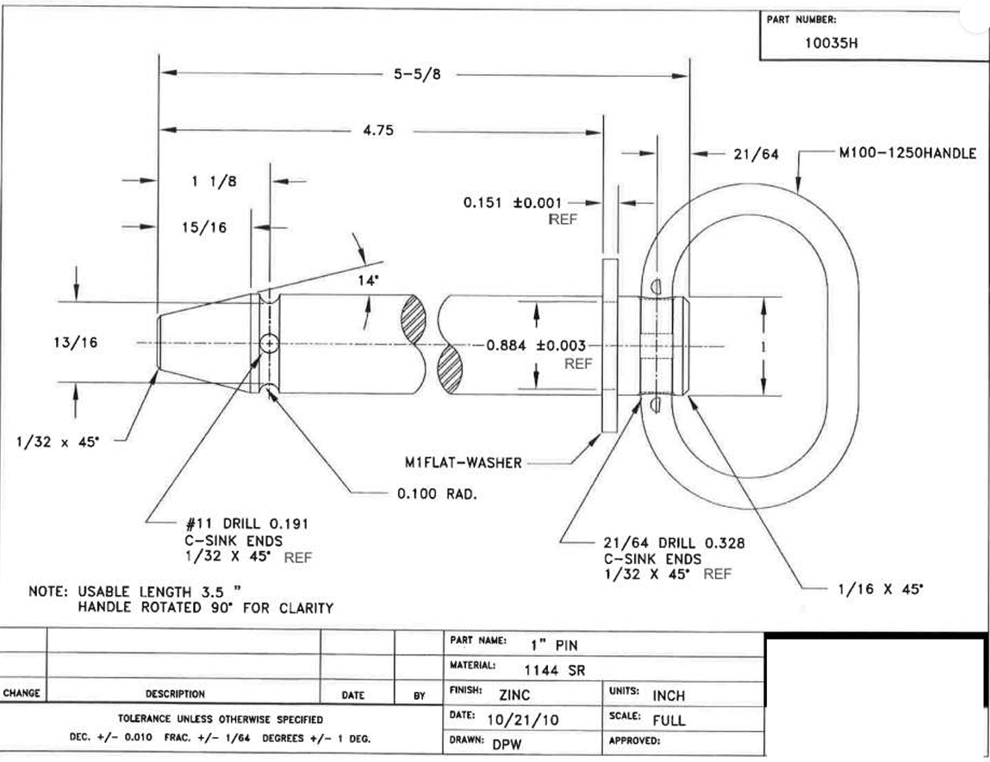
1

10
4
2
6
5

8

3

9b
7
9a

